Overview
District 123 Alignment for 2021-2022 - Draft 3 - Released Jun 11, 2021

Refer to www.toastmasters60.com/alignment123/ or www.toastmasters86.org/programs/district-123-alignment-for-2021-2022 for online access to information found in this Excel / PDF document. Refer to each Division tab/pages for specifics including changes from each draft version

Summary Notes: All Divisions must have at least 3 Area; All Areas must have 4 to 6 clubs or 3 with a viable prospective club. The Alignment aims to meet the requirements of Toastmasters International (TI). Below are high level Opportunities (O) & Solutions (S) to meet these requirements:
O: | All clubs (not suspended) as of June 30, 2021 must be allocated to an Area and Division. With COVID, club meeting and strength / renewal not known
S: | Ask all Club Presidents / VPEs and their Area Directors through Alignment questionnaire sent in Nov / Dec 2020. Include options in case some clubs do not renew as expected or new clubs form (60B, 60E, 60G-N, 86A, 86M & 86N)
O: | D86, Div N and A do not have enough clubs in good standing to maintain Division status; D60 Div G-North only has 2 Areas
S: | Transfer clubs from nearby Divisions to build 4 stronger Divisions from D86 and 4 full Divisions from D60; close D86 Div G
O: | Duplication of Division B & G names due to merger
S: | Rename District 60, Division B to Division C as Brampton Club in 86B is 12 years older than New Horizons Toastmasters Club in 60B; with District 86, Division G closed, rename District 60, Division G-North to Division G
O: | 6 Areas have duplicate Area numbers due to merger
S: | Rename all Areas from 11 to 89 from North-West to South-East (N11-14, B21-24, M31-35, A41-44, G51-53, C61-65, D71-75, E81-85)
O: | Required to have 4 to 6 (not suspended) clubs per Area or 3 with a solid prospective club but too many Areas have fewer clubs
S: | Division Directors work with their teams to create sustainable and balanced Areas as much as possible with minimal changes
O: | Recommend the number of Divisions for new District 123 to the District Leadership Committee by mid-December before Draft #1
S: | Start early, accelerate Alignment process and provide best estimates so that Leadership Candidates have these details before applying

Each year, Districts around the world review and amend, if necessary, their alignment of the clubs, areas and divisions. Alignment teams are tasked to create a plan that services clubs, areas and divisions in the most effective way possible for the upcoming term starting July 1st. With the upcoming reformation, we are working on the 2nd year of our plan.

Vision:
To create an Alignment Plan that services clubs and areas in the most effective way possible.

Mission / Objectives:
To take into consideration key requirements from Toastmasters International in developing the alignment of D60 and D86 clubs that will be in D123 by Jul 1, 2021:
- | Anticipating and planning for club renewals for Oct 1, 2020 and Apr 1, 2021 due to COVID challenges
- | Ensuring that clubs that are in approved geographic boundary of D123 are aligned to a Division and Area (3 clubs in D86-DivB are in Halton and should be moved to the new D86)
- | At least three Areas per Division; priority to D60-Div G-North (2 areas), D86-Div N (fewer paid clubs) & D86-Div A (long term concern)
- | Between 4 to 6 (not suspended) clubs per Area or 3 with a solid prospective club; priority to areas that have less than 4 or more than 6 clubs (due to COVID, the list is long)
- | Location, meeting day, time and frequency of meetings
- | Ability for clubs, areas and divisions to participate and excel in the Distinguished program
- | Consider club growth by aligning prospective clubs and clubs not in good standing for possible loss
- | Consider a long-term plan to balance the number of clubs per Division (D60 Divisions are bigger than D86)
- | Renaming duplicate division names and renumber duplicate area numbers (Div B & Div G; unique Area numbering from 11 to 99 for 9 expected Divisions, D60B & D86M, D60D & D86B, D86A & D86G, D86N)
- | Recommend the number of Divisions for new District 123 to the District Leadership Committee by mid-December

The objective is to have balanced areas with a mixture of high performing clubs with new clubs and those who have growth opportunities keeping in mind the location and meeting times of the clubs.

The success of a club is dependent on its members, its current and past leadership. The club is supported by the Area Director and an Area Council of nearby clubs. The Area Director is supported by the Division Director and the District towards the District Mission of building new clubs and supporting all clubs in achieving excellence.
This alignment attempts to balance Areas while keeping communities together with the framework of Toastmasters International guidelines for Alignment.

Values:
Communicate and recommend solutions with our team and stakeholder within the framework of our Toastmasters Values of Integrity, Respect, Service & Excellence

Alignment Plan Overview:
 | Task | Target
1 | Seek input from committee members through discussions with:
 | Club Presidents & VP Educators | 2020-11-30
 | Area Directors | 2020-11-30
2 | Draft first set of recommendations and publish to the Districts for discussion (Jan 8, 2021) | 2021-01-08
3 | Update based on input and have an interim 1A draft published two weeks prior to the Feb D86 DEC meetings | 2021-01-30
4 | Update based on input and have 2nd draft published prior to the Feb DEC meetings (Feb 13 & 22) | 2021-02-11
5 | Update based on partial 1st Quarter Reports and publish for presentation at the Council Meeting on Apr 17 | 2021-04-03
6 | Update based on new clubs formed and suspended. Ensure Alignment meets TI requirements, submit to District Directors with completed spreadsheet and then to TI | 2021-06-11

Reformation between D60 & D86 to create D123 - Jul 1, 2021
Visit https://www.toastmasters60.com/district-reformation/ for details

District 123 consists of clubs from:
D60: | Central Ontario Region (Toronto—north of Dixon/Scarlett/Lawrence Avenue, Hastings, Prince Edward, Northumberland, Peterborough, Kawartha Lakes, Durham & Haliburton)
D86: | Western Ontario Region (Peel—Brampton & Caledon only, Simcoe & Dufferin)
 | Central Ontario Region (York, Muskoka & Parry Sound)
 | Northern Ontario Region (Nipissing, Manitoulin, Sudbury, Greater Sudbury, Timiskaming, Cochrane & Algoma)

D123: | 4 Divisions will transfer from D60 {Div G (North); Div B (renamed C); Div D & Div E} to D123
 | Division Boundary changes due to Div G - North, Area re-numbering and Division names to change for Div B & G
 | 4 Divisions will be transferred from D86 (Div N; Div B, Div M, Div A) to D123. Div 86G merged with Div M & A
D60: | Div G (South); Div H; Div A, I, C & F (City of Toronto south of Dixon/Scarlett/Lawrence). Some Divisions will be renamed
 | 6 Divisions will remain in D60.
D86: | Div C, Div D, Div E, Div F, Div L, Div S, Div T & Div W
 | 8 Divisions will remain in D86 plus 3 clubs from Div B located in Halton Region

Alignment Team:
Full list of Alignment Team, their picture, contact email, current and proposed Division Maps can be found on each Division Tab / Page

Brian Brennan, D123 Alignment Co-Chair, 2021-2022
Email Brian: brian@maxpotential.ca
Karim Premji, D123 Alignment Co-Chair, 2021-2022
Email Karim: Alignment123@Toastmasters60.com

Legend in the document:
Green: | Prospective Club for this term or next
Blue: | Club is going to another Area / Division
Gold: | Club is coming from another Area / Division
Yellow: | Unpaid club may be suspended as of Apr 1st
Orange: | (Unpaid) club expected to suspend as of Apr 1st
Orange: | Unpaid club may be suspended as of Oct 1st
Red: | Suspended Club
N/A: | No Area assigned due to (possible) suspension
 | Active to Mar (Club in Good Standing until Mar 31, 2021)
 | Active to Sep (Club in Good Standing until Sep 30, 2021)
 | Draft 2 Notes: Provides details on any changes between Draft 1 and 2
 | Prospective Club: Is expected to charter This Term (before Jul 1st); Next Term (after Jun 30th); On Hold (may not proceed); Unknown

Map for Current D60 and D86 Divisions that will be part of D123 - 2020-2021
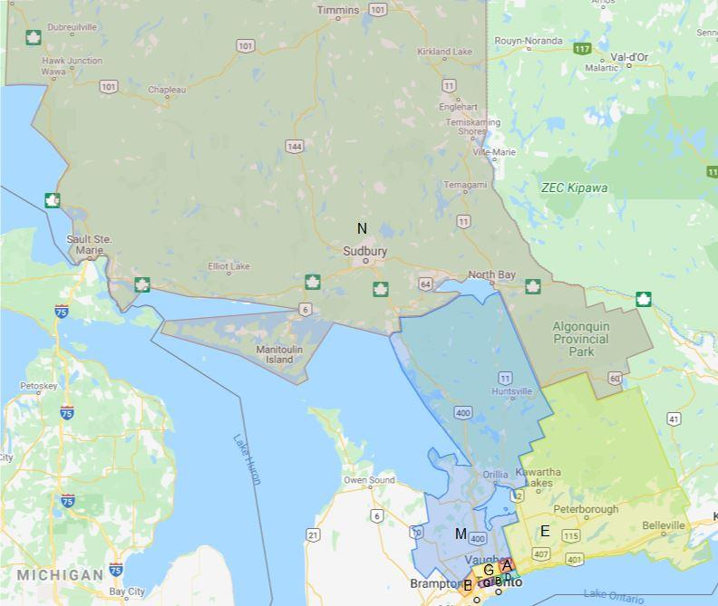

Proposed 123 Map by Division - 2021-2022
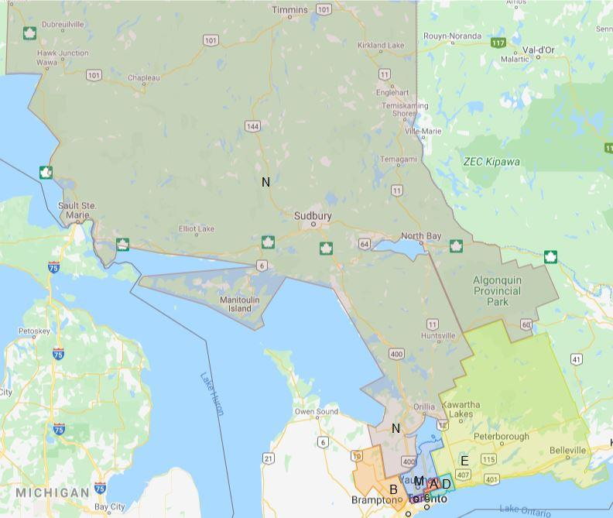

Changes for Draft #1 to Draft #1A
1 | With a prospective club in Orillia, we will able to proposed changes that 2 clubs have requested:
 | 1. Added Lakehead University - Orillia Campus to N13
 | 2. Moved Barrie Toastmasters Club from N13 to N14 so that they can stay with Barrie's Small Business & Innisfil as requested
 | 3. Moved Speak for Success York-Simcoe from N14 to M31 so that they can stay with Simcoe Shores & Troy as requested. Speak for Success may also move from Simcoe to York (TBC).
2 | New Google Maps: Current and Proposed D123 Maps. These Google Maps replace the static pdf maps
3 | Index of all clubs from D60 and D86 that will be part of D123. The list is colour coded and sorted alphabetically by District. Club members will benefit when looking up their club prior to going into Division details.
4 | Minor text and formatting changes for consistency

Changes from Draft #1a to Draft #2
1 | 3 Prospective Clubs have chartered - Current and Proposed Maps updated
 | 1. A22-Star - TI has accepted all their paperwork and payment as of Jan 27, 2021 -- officially chartered
 | 2. B31-Peel Bilingual Spanish Toastmasters Club - paperwork has been submitted to TI on Jan 31, 2021 - officially chartered
 | 3. E44-Embassy Toastmasters - TI has accepted all their paperwork and payment as of Jan 31, 2021 -- officially chartered
2 | For 2021-2022 Embassy will be aligned to E81 with Brooklin moving to E82
3 | For 2021-2022 Prospective clubs, Centennial Alumni Association will be aligned to D74 (if charters this term) and Toronto Zoo will be aligned to D73 assuming charter next term
4 | What/if scenarios has been indicated for all Divisions except 86B & 60D depending on how clubs currently not in good standing do before Apr 1st and how many clubs pay their Apr 1-Sep 30th renewals on time
5 | The status of clubs that have paid their Apr1-Sep30 renewals has been indicated (Active to Sep instead of Mar). This is updated daily as a clubs status changes
6 | Maps have been compressed so that this Excel file is now smaller than it's pdf version
7 | A log of changes has been added to the Overview tab

Changes from Draft #2 to Draft #3
1 | Index of Tabs / Pages on the Preamble Tab / Pages
2 | The status of clubs that have paid their Apr1-Sep30 renewals has been indicated (Active to Sep instead of Mar). This is updated daily as a clubs status changes
3 | The status of clubs that have changed from prospective clubs or clubs not in good standing to clubs in good standing
4 | New directive from TI which allows clubs to continue to miss 2 renewal periods. OneHub added to A41 but no longer meets
5 | Centennial College Alumni Association Toastmasters Club submitted charter paperwork on Feb 25
6 | Whitchurch-Stouffville Toastmasters submitted charter paperwork on Feb 26
7 | Implementation of 5 Area solution for Div N with new prospective club, clubs reaching good standing and revised TI suspension rules
8 | Implementation of 4 Area solution for Div G with number of renewing clubs and revised TI suspension rules
9 | Renewal status of clubs by District added to the Index of Clubs Tab
10 | All maps updated

Changes from Draft #3 to Draft #4
1 | The status of clubs continues to be updated including suspended clubs
2 | Updates to District Counts and Index of Clubs
3 | Div N Areas 11,12,13 rebalanced by club strength and distance due to North Bay and Area & True North not suspending

60B
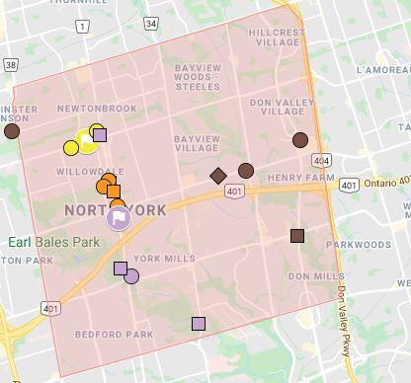
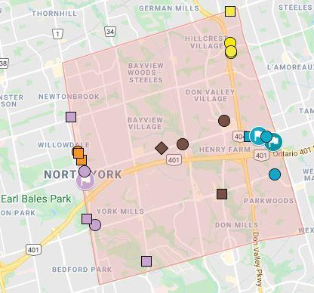
Current & Proposed Alignment for District 60 Division B (Renamed C) - District 123 2021-2022

Div B Representative: |  | Richard Abel, EC1, Division B Director |  |  | North-Central Toronto
 |  | Email Richard: divb@toastmasters60.com |  |  | Renamed to Division C (2 Division Bs with merger)

Boundary: |  |  | Clubs In Good Standing: |  | Notes:
North: | Steeles |  | 30-Jun-20 | 20 | Brampton Club (86B) is 12 years older than New Horizons TC (60B); D60 Div B renamed Div C
East: | Victoria Park (changed from HWY 404) |  | 10-Jun-21 | 18 | 5 clubs west of Yonge Street join Div G to allow Div G-N to become a full Division as per TI requirements
South: | Lawrence |  | Prospective: | 0 | 5 clubs in good standing and 4 not in good standing east of Victoria Park (North York) join from Div D
West: | Yonge (changed from Bathurst) |  | Net Transfers: | 2 | Atria Toastmasters will join Div B/C for 2021-2020 due to location
 |  |  | Projected: | 20 | Areas C64 & C65 may be merged depending on the # of clubs renew. Both scenarios included

Current Division B Map, Club List & Details by Area |  |  |  |  |  | Proposed Division C Map, Club List & Details by Area
Current Alignment |  |  |  |  | Proposed Alignment
Area | Club Number | Club Name | Club Status 10-Jun-2021 | Proposed Div Area | Area | Club Number | Club Name |  | Reason for change
B11 | 312 | New Horizons Toastmasters Club | Active to Sep | G54 |  |  | Area Closed to balance number of clubs and
B11 | 7982 | Celestica Club | Active to Sep | C61 |  |  | moved to Div G (North) to create a full
B11 | 8059 | North York Toastmasters Club | Active to Sep | G54 |  |  | Division G from Areas G61 & G62
B11 | 2102634 | Humorously Speaking Toastmasters Club | Suspended | N/A
B11 | 4391235 | CHIRS New Beginnings | Ineligible | G54
B11 | 7088177 | The Eckler Speakeasy | Suspended | N/A

B12 | 3928 | Young Shepherds Toastmasters Club | Active to Sep | C63
B12 | 7958 | Collectively Speaking Club | Active to Sep | C61 | C61 | 7958 | Collectively Speaking Club
B12 | 8235 | Toast Of The Town Club | Active to Sep | C61 | C61 | 8235 | Toast Of The Town Club
B12 | 877549 | Confidence Speaks | Active to Sep | C61 | C61 | 877549 | Confidence Speaks
B12 | 2527941 | North York Project Management | Active to Sep | G54 | C61 | 7982 | Celestica Club | From B11 | Club location
B12 | 7398133 | Moody Toaster | Active to Sep | C61 | C61 | 7398133 | Moody Toaster

B13 | 2710 | Speakeasy Canada Club | Suspended | N/A
B13 | 6047 | Naturopathic Toastmasters Club | Active to Sep | C62 | C62 | 6047 | Naturopathic Toastmasters Club
B13 | 988094 | Aspire Higher Toastmasters | Active to Sep | C62 | C62 | 988094 | Aspire Higher Toastmasters
B13 | 1503547 | GS1 Canada | Active to Sep | C62 | C62 | 1503547 | GS1 Canada
B13 | 3206544 | Advanced 60 Speakers | Active to Sep | C62 | C62 | 3206544 | Advanced 60 Speakers
B13 | 6982136 | Leaders Unleashed Toastmasters | Active to Sep | G53

B14 | 406 | Royal Toasters Toastmasters Club | Active to Sep | C63 | C63 | 406 | Royal Toasters Toastmasters Club
B14 | 7099 | Granite Club | Active to Sep | C63 | C63 | 7099 | Granite Club
B14 | 9732 | Toastmasters at P&G | 2 x Ineligible | C63 | C63 | 9732 | Toastmasters at P&G | 2 x Ineligible | TI Requirements
B14 | 737446 | Gamely Speaking Toastmasters Club | Active to Sep | C63 | C63 | 737446 | Gamely Speaking Toastmasters Club
B14 | 2222441 | Apples and Toast | Active to Sep | C63 | C63 | 2222441 | Apples and Toast
B14 | 7390804 | Chatty Cats | Suspended | N/A | C63 | 3928 | Young Shepherds Toastmasters Club | From B12 | Club Location

Legend in the document: |  |  |  |  | C64 | 1370 | Dell Canada Club | From D34 | Resize Div G-North
Green: | Prospective Club for this term or next |  |  |  | C64 | 1418358 | Tangerine Straight Talkers Toastmasters | From D34 | Resize Div G-North
Blue: | Club is going to another Area / Division |  |  |  | C64 | 4142935 | Pearson Masters | From D34 | Resize Div G-North
Gold: | Club is coming from another Area / Division |  |  |  | C64 | 7750367 | LexTalk | From D34 | Resize Div G-North
Yellow: | Unpaid club may be suspended as of Apr 1st
Orange: | (Unpaid) club expected to suspend as of Apr 1st |  |  |  | C65 | 2303 | Podium Toastmasters Club | From D35 | Resize Div G-North
Orange: | Unpaid club may be suspended as of Oct 1st |  |  |  | C65 | 4373 | Enbridge Toastmasters Club | 2 x Ineligible | TI Requirements
Red: | Suspended Club |  |  |  | C65 | 6582774 | LCIT Toastmasters | From D35 | Resize Div G-North
N/A: | No Area assigned due to (possible) suspension |  |  |  | C65 | 7527272 | REMIC Toastmasters Club | From D35 | Resize Div G-North
 | Active to Mar (Club in Good Standing until Mar 31, 2021) |  |  |  | C65 | 7634074 | Atria Toastmasters | From 60G66 | Resize Div G-North
 | Active to Sep (Club in Good Standing until Sep 30, 2021)
 | Draft 2 Notes: Provides details on any changes between Draft 1 and 2
 | Prospective Club: Is expected to charter This Term (before Jul 1st); Next Term (after Jun 30th); On Hold (may not proceed); Unknown

Draft #2: |  |  |  |  | If Dell Canada suspends, Podium & LCIT will move to C64 and Altria will move to C62
Draft #3: |  |  |  |  | 4 clubs from B11/B12 will go to G64 instead of G63 as a new Area has been added due to renewals

Click on Map for Current Division B Map, Club List & Details by Area |  |  |  |  |  | Click on Map for Proposed Division C Map, Club List & Details by Area

60D
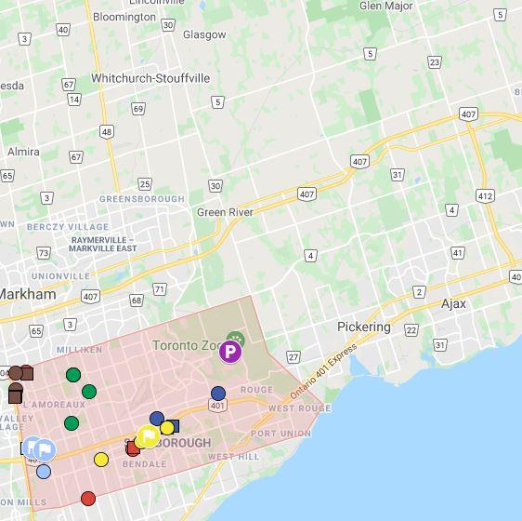
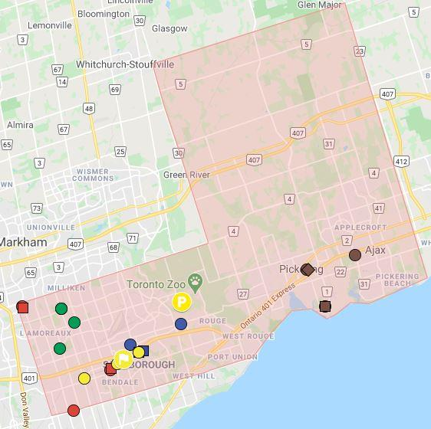
Current & Proposed Alignment for District 60 Division D - District 123 2020-2021

Div D Representative: |  | Mohan Gunarajah, DTM, Division D Director |  |  | North Scarborough & Pickering/Ajax
 |  | Email Mohan: divd@toastmasters60.com

Boundary: |  |  | Clubs In Good Standing: |  | Notes:
North: | Steeles / Uxbridge & Pickering |  | 30-Jun-20 | 24 | Part of 2nd year plan to change boundaries to create Division G to meet Toastmaster's requirements
East: | Whitby / Pickering & Ajax |  | 10-Jun-21 | 22 | Received 5 clubs from Div E and sending 5 clubs in good standing plus clubs not in GS to Div B
South: | Lawrence / Lake Ontario |  | Prospective: | 0 | Boundary change east to include Pickering / Ajax; west to Victoria Park
West: | Victoria Park / Scarborough / Pickering |  | Net Transfers: | -2 | Clubs between Hwy 404 & Victoria Park (North York) join Division B (North Central Toronto)
 |  |  | Projected: | 20

Current Division D Map, Club List & Details by Area |  |  |  |  |  | Proposed Division D Map, Club List & Details by Area
Current Alignment |  |  |  |  | Area | Proposed Alignment
Area | Club Number | Club Name | Club Status 10-Jun-2021 | Proposed Div Area |  | Club Number | Club Name |  | Reason for change
D31 | 3090 | Scarborough Toastmasters Club | Active to Sep | D72 | D72 | 3090 | Scarborough Toastmasters Club
D31 | 6682 | Toastmasters CIPro Club | Active to Sep | D72 | D72 | 6682 | Toastmasters CIPro Club
D31 | 638096 | Toastmasters CPAC Club | Active to Sep | D72 | D72 | 638096 | Toastmasters CPAC Club
D31 | 6636537 | Mon Sheong Inspired Toastmasters Club | Active to Sep | D72 | D72 | 6636537 | Mon Sheong Inspired Toastmasters Club

D32 | 1600539 | Dynamic Advanced Toastmasters | Active to Sep | D74 | D74 | 1600539 | Dynamic Advanced Toastmasters
D32 | 6529829 | Excellence & Beyond | Active to Sep | D74 | D74 | 6529829 | Excellence & Beyond
D32 | 7049281 | TCI Kaizen Toastmasters | Suspended | N/A
D32 | 7583545 | Speak Up Centennial | Active to Sep | D74 | D74 | 7583545 | Speak Up Centennial
D32 | 7828991 | Centennial College Alumni Association Toastmasters Club | Active to Sep | D74 | D74 | 7828991 | Centennial College Alumni Association Toastmasters Club

D33 | 3023 | Tax Toasters Club | Active to Sep | D71 | D71 | 3023 | Tax Toasters Club
D33 | 3447 | Speakers Club | Active to Sep | D71 | D71 | 3447 | Speakers Club
D33 | 1227610 | Kingdom Speakers | Active to Sep | D71 | D71 | 1227610 | Kingdom Speakers
D33 | 4092498 | BMO IFL Toastmasters Club | Active to Sep | D71 | D71 | 4092498 | BMO IFL Toastmasters Club
 |  |  |  |  | D71 | 9808 | Tall Tellers Toastmasters Club | From D34 | Area D34 Closed

D34 | 1370 | Dell Canada Club | Active to Sep | C64 |  |  | Area Closed
D34 | 9808 | Tall Tellers Toastmasters Club | Active to Sep | D71 |  |  | Moved to old Div B / New Div C to balance
D34 | 1418358 | Tangerine Straight Talkers Toastmasters | Active to Sep | C64 |  |  | the number of clubs in each Division and
D34 | 4142935 | Pearson Masters | Active to Sep | C64 |  |  | create a full Div G
D34 | 7750367 | LexTalk | Active to Sep | C64

D35 | 2303 | Podium Toastmasters Club | Active to Sep | C65 |  |  | Area Closed
D35 | 4373 | Enbridge Toastmasters Club | 2 x Ineligible | C65 |  |  | Moved to old Div B / New Div C to balance
D35 | 2587834 | AMEX Centurion Leaders Toastmasters Club | Suspended | N/A |  |  | the number of clubs in each Division and
D35 | 6582774 | LCIT Toastmasters | Active to Sep | C65 |  |  | create a full Div G
D35 | 7527272 | REMIC Toastmasters Club | Ineligible | C65

D36 | 7965 | Vocal Mobility - Telus Toastmasters | Active to Sep | D73 | D73 | 7965 | Vocal Mobility - Telus Toastmasters
D36 | 928609 | Forward Signs Toastmasters | Active to Sep | D73 | D73 | 928609 | Forward Signs Toastmasters
D36 | 1111285 | SOC TD Toastmasters | Low | D73 | D73 | 1111285 | SOC TD Toastmasters |  | May renew
D36 | 7677510 | Voice of Centennial | Active to Sep | D73 | D73 | 7677510 | Voice of Centennial
 |  |  |  |  | D73 | 7409108 | Toronto Zoo | Prospective | Next Term

Draft #3: | 7814309 | Centennial College Alumni Association Toastmasters Club chartered

Legend in the document: |  |  |  |  | D75 | 5425 | Ajax-Pickering Toastmasters Club | From E42 | Resize Div G-North
Green: | Prospective Club for this term or next |  |  |  | D75 | 6809 | Pickering Powerhouse Toastmasters | From E42 | Resize Div G-North
Blue: | Club is going to another Area / Division |  |  |  | D75 | 1651924 | Ajax Outspoken Speakers | From E42 | Resize Div G-North
Gold: | Club is coming from another Area / Division |  |  |  | D75 | 4677667 | Empowering Voices Toastmasters Club | From E42 | Resize Div G-North
Yellow: | Unpaid club may be suspended as of Apr 1st |  |  |  | D75 | 5001851 | Eagle Advanced Speakers | From E42 | Resize Div G-North
Orange: | (Unpaid) club expected to suspend as of Apr 1st
Orange: | Unpaid club may be suspended as of Oct 1st |  |  |  | D?? | 7625982 | Netwyn Toastmasters Club | Prospective | Dead Lead
Red: | Suspended Club
N/A: | No Area assigned due to (possible) suspension
 | Active to Mar (Club in Good Standing until Mar 31, 2021)
 | Active to Sep (Club in Good Standing until Sep 30, 2021)
 | Draft 2 Notes: Provides details on any changes between Draft 1 and 2
 | Prospective Club: Is expected to charter This Term (before Jul 1st); Next Term (after Jun 30th); On Hold (may not proceed); Unknown

Click on Map for Current Division D Map, Club List & Details by Area |  |  |  |  |  | Click on Map for Proposed Division D Map, Club List & Details by Area

60E
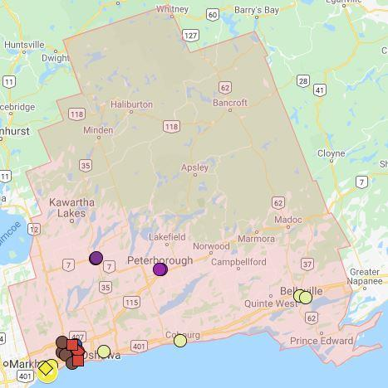
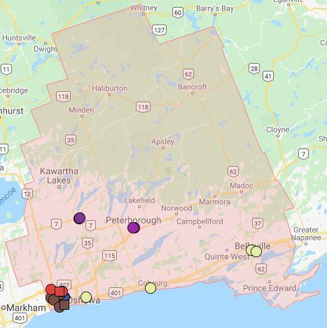
Current & Proposed Alignment for District 60 Division E - District 123 2021-2022

Div E Representative: |  | Jennifer Magee, LD4, Division E Director |  |  | Whitby/Oshawa to Lindsay/Peterborough to Belleville
 |  | Email Jennifer: dive@toastmasters60.com

Boundary: |  |  | Clubs In Good Standing: |  | Notes: Largest Division in D123 with 24 clubs in good standing
North: | Haliburton (Highlands East) |  | 30-Jun-20 | 26 | Part of 2nd year plan to split Division E with growth club engine in Whitby / Oshawa
East: | Prince Edward County |  | 10-Jun-21 | 26 | 5 clubs moved from East to West to help create a full Division G with minimum of 3 Areas
South: | Lake Ontario |  | Prospective: | 0 | All 5 Pickering / Ajax clubs (Area E42) moved to Division D to resize and help create Div G
West: | Pickering & Ajax / Whitby boundary |  | Net Transfers: | -4 | Clubs in Pickering / Ajax closer to North Scarborough clubs than eastern Div E clubs
 |  |  | Projected: | 22 | E84 may need to be closed if Peterborough and Naturally Speaking suspend. Both scenarios listed

Current Division E Map, Club List & Details by Area |  |  |  |  |  | Proposed Division E Map, Club List & Details by Area
Current Alignment |  |  |  |  |  | Proposed Alignment
Area | Club Number | Club Name | Club Status 10-Jun-2021 | Proposed Div Area | Area | Club Number | Club Name |  | Reason for change
E42 | 5425 | Ajax-Pickering Toastmasters Club | Active to Sep | D75 |  |  | Area Closed
E42 | 6809 | Pickering Powerhouse Toastmasters | Active to Sep | D75 |  |  | Moved to D123 Div D to balance the number of
E42 | 1651924 | Ajax Outspoken Speakers | Active to Sep | D75 |  |  | clubs in each Division and create a full Div G
E42 | 4677667 | Empowering Voices Toastmasters Club | Ineligible | D75
E42 | 5001851 | Eagle Advanced Speakers | Active to Sep | D75

E43 | 3427 | Peterborough Toastmasters Club | Active to Sep | E84 | E84 | 3427 | Peterborough Toastmasters Club
E43 | 5299 | Lindsay & District Toastmasters Club | Active to Sep | E84 | E84 | 5299 | Lindsay & District Toastmasters Club
E43 | 9911 | Good Morning Club | Suspended | N/A
E43 | 747220 | Naturally Speaking Toastmasters | Active to Sep | E84 | E84 | 747220 | Naturally Speaking Toastmasters
E43 | 936088 | Kawartha Lakes Toastmasters | Active to Sep | E84 | E84 | 936088 | Kawartha Lakes Toastmasters

E44 | 2398 | Oshawa Toastmasters | Active to Sep | E82 | E83 | 758312 | Oshawa #1 Toastmasters | From E47 | Club Location
E44 | 5445 | Lunchtime Talkers Club | Active to Sep | E83 | E83 | 5445 | Lunchtime Talkers Club
E44 | 1532578 | City of Oshawa Toastmasters | Active to Sep | E83 | E83 | 1532578 | City of Oshawa Toastmasters
E44 | 3818262 | Civil Communicators Club | Active to Sep | E83 | E83 | 3818262 | Civil Communicators Club
E44 | 7182788 | OntarioTechU Toastmasters | Active to Sep | E82 | E83 | 1251640 | Spotlight Speakers | From E47 | Club Location
E44 | 7799561 | Embassy Toastmasters | Active to Sep | E81

E45 | 7338 | Whitby Intrepid Toastmasters | Active to Sep | E81 | E81 | 7338 | Whitby Intrepid Toastmasters
E45 | 1007439 | Durham Region Toastmasters | Active to Sep | E81 | E81 | 1007439 | Durham Region Toastmasters
E45 | 1113728 | Brooklin Toastmasters | Active to Sep | E82 | E81 | 3890689 | GM Canada Toastmasters | From E47 | Club Location
E45 | 7489836 | Toastmasters Whitby Pros | Active to Sep | E81 | E81 | 7489836 | Toastmasters Whitby Pros
 |  |  |  |  | E81 | 7799561 | Embassy Toastmasters | From E44 | Area Balance

E46 | 368 | Cobourg Toastmasters | Active to Sep | E85 | E85 | 368 | Cobourg Toastmasters
E46 | 1617 | Belleville Toastmasters Club | Active to Sep | E85 | E85 | 1617 | Belleville Toastmasters Club
E46 | 3541 | Bowmanville Toastmasters Club | Active to Sep | E85 | E85 | 3541 | Bowmanville Toastmasters Club
E46 | 704673 | Belleville Speak-Easy Toastmasters | Active to Sep | E85 | E85 | 704673 | Belleville Speak-Easy Toastmasters

E47 | 758312 | Oshawa #1 Toastmasters | Active to Sep | E83 | E82 | 2398 | Oshawa Toastmasters | From E44 | Club Location
E47 | 1251640 | Spotlight Speakers | Active to Sep | E83 | E82 | 1113728 | Brooklin Toastmasters | From E45 | Area Balance
E47 | 3890689 | GM Canada Toastmasters | Active to Sep | E81 | E82 | 7182788 | OntarioTechU Toastmasters | From E44 | Club Location
E47 | 7729527 | DC Success Masters | Active to Sep | E82 | E82 | 7729527 | DC Success Masters

Draft #2: | 7799561 | Embassy Toastmasters chartered |  |  | E82 | 1113728 | Brooklin Toastmasters moved to E82 to balance Area with charter of Embassy
 |  |  |  |  | If both Peterborough & Naturally Speaking do not reach good standing by Apr 1st, E84 will need to
Legend in the document: |  |  |  |  | close with Lindsay & District and Kawartha Lakes move to E82 and E85 to be renamed E84
Green: | Prospective Club for this term or next
Blue: | Club is going to another Area / Division
Gold: | Club is coming from another Area / Division
Yellow: | Unpaid club may be suspended as of Apr 1st
Orange: | (Unpaid) club expected to suspend as of Apr 1st
Orange: | Unpaid club may be suspended as of Oct 1st
Red: | Suspended Club
N/A: | No Area assigned due to (possible) suspension
 | Active to Mar (Club in Good Standing until Mar 31, 2021)
 | Active to Sep (Club in Good Standing until Sep 30, 2021)
 | Draft 2 Notes: Provides details on any changes between Draft 1 and 2
 | Prospective Club: Is expected to charter This Term (before Jul 1st); Next Term (after Jun 30th); On Hold (may not proceed); Unknown

Click on Map for Current Division E Map, Club List & Details by Area |  |  |  |  |  | Click on Map for Proposed Division E Map, Club List & Details by Area

60G-N
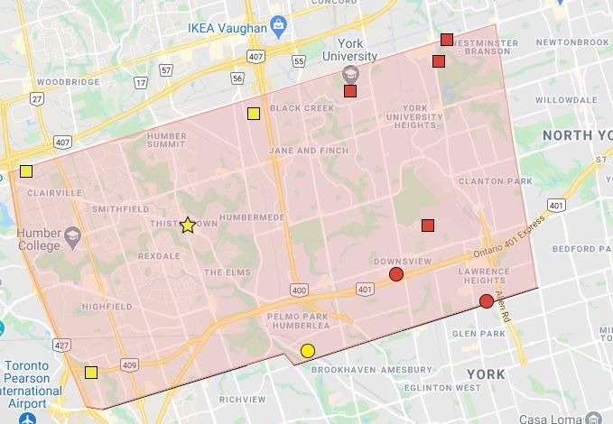
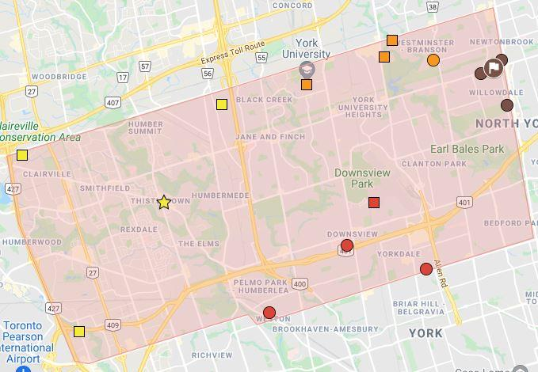
Current & Proposed Alignment for District 60 Division 60G-North (Areas G61 & G62) - District 123 2021-2021

Div G Representative: |  | Andrew Mertens, Division G Representative |  |  | North-West Toronto
 |  | Email Andrew: andrew.mertens@outlook.com

Boundary: |  |  | Clubs In Good Standing: |  | Notes:
North: | Steeles |  | 30-Jun-20 | 11 | Div G-North (Areas G61 & G2) does not have enough Areas to meet Toastmaster's requirements
East: | West of Yonge Street |  | 10-Jun-21 | 11 | 5 clubs west of Yonge Street from Div B join Div G-North
South: | Dixon / Scarlet / Lawrence W |  | Prospective: | 0 | Renamed as Division G as D86 Division G merged with Division M & A
West: | Peel / Etobicoke (City of Toronto) |  | Net Transfers: | 4 | If all 16 clubs renew membership by Apr 1st, may change to 4 Areas. Both scenarios listed
 |  |  | Projected: | 15

Current Division G Map, Club List & Details by Area |  |  |  |  |  | Proposed Division G Map, Club List & Details by Area
Current Alignment |  |  |  |  |  | Proposed Alignment
Area | Club Number | Club Name | Club Status 10-Jun-2021 | Proposed Div Area | Area | Club Number | Club Name |  | Reason for change
G61 | 1115157 | Solid Speakers | Active to Sep | G51 | G51 | 1115157 | Solid Speakers
G61 | 1115222 | Apo - Toasters | Active to Sep | G51 | G51 | 1115222 | Apo - Toasters
G61 | 4677683 | Friends of the Lions Circle Toastmasters | Active to Sep | G51 | G51 | 4677683 | Friends of the Lions Circle Toastmasters
G61 | 5880100 | CM Toastmasters | Active to Sep | G51 | G51 | 5880100 | CM Toastmasters
G61 | 7322471 | Weston-Mount Dennis Toastmasters Club | Active to Sep | G52

G62 | 4017 | Schulich Toastmasters Club | Active to Sep | G53
G62 | 6723 | Toasters@Lunch.CIBC Club | Active to Sep | G52 | G52 | 6723 | Toasters@Lunch.CIBC Club
G62 | 8374 | Bombardier Speak Easy Club | Active to Sep | G52 | G52 | 8374 | Bombardier Speak Easy Club
G62 | 8568 | Downsview Toastmasters Club | Active to Sep | G52 | G52 | 8568 | Downsview Toastmasters Club
G62 | 1466598 | Ecofriendly Toastmasters | Active to Sep | G53 | G52 | 7322471 | Weston-Mount Dennis Toastmasters Club
G62 | 4710866 | Connaught Speakers | Active to Sep | G53

Legend in the document: |  |  |  |  | G53 | 4017 | Schulich Toastmasters Club |  | Area Size
Green: | Prospective Club for this term or next |  |  |  | G53 | 1466598 | Ecofriendly Toastmasters |  | Area Size
Blue: | Club is going to another Area / Division |  |  |  | G53 | 4710866 | Connaught Speakers |  | Area Size
Gold: | Club is coming from another Area / Division |  |  |  | G53 | 6982136 | Leaders Unleashed Toastmasters | From B13 | Resize Div G-North
Yellow: | Unpaid club may be suspended as of Apr 1st
Orange: | (Unpaid) club expected to suspend as of Apr 1st |  |  |  | G54 | 312 | New Horizons Toastmasters Club | From B11 | Resize Div G-North
Orange: | Unpaid club may be suspended as of Oct 1st |  |  |  | G54 | 8059 | North York Toastmasters Club | From B11 | Resize Div G-North
Red: | Suspended Club |  |  |  | G54 | 2527941 | North York Project Management | From B12 | Resize Div G-North
N/A: | No Area assigned due to (possible) suspension |  |  |  | G54 | 4391235 | CHIRS New Beginnings | From B11 | Resize Div G-North
 | Active to Mar (Club in Good Standing until Mar 31, 2021)
 | Active to Sep (Club in Good Standing until Sep 30, 2021)
 | Draft 2 Notes: Provides details on any changes between Draft 1 and 2
 | Prospective Club: Is expected to charter This Term (before Jul 1st); Next Term (after Jun 30th); On Hold (may not proceed); Unknown

Draft #2: |  |  |  |  | If all 16 clubs renew by Mar 31st, a fourth Area will be created
 |  |  |  |  | G51 | Solid Speakers, Apo - Toasters, Friends of the Lions Circle & CM
 |  |  |  |  | G52 | Weston-Mount Dennis, Toasters@Lunch.CIBC, Bombardier Speak Easy & Downsview
 |  |  |  |  | G53 | Sculich, Ecofriendly, Cannaught & Leaders Unleashed
 |  |  |  |  | G54 | New Horizons, North York, North York Project Management, CHIRS New Beginnings
Draft #3: |  |  |  |  | New Area create to accommodate # of paid clubs for Apr 1 to Sep 30

Click on Map for Current Division G Map, Club List & Details by Area |  |  |  |  |  | Click on Map for Proposed Division G Map, Club List & Details by Area

86A
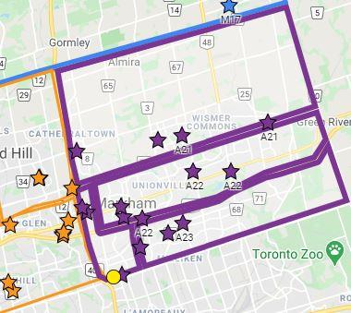
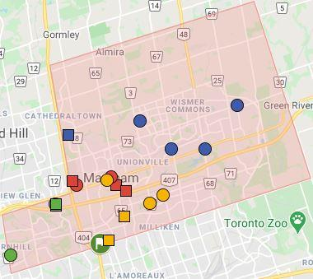
Current & Proposed Alignment for District 86 Division A - District 123 2021-2022

Div A Representative: |  | Raam Lakhanpal, DTM, Division A Director |  |  | City of Markham
 |  | Email Raam: divisionadirector@toastmasters86.org

Boundary: |  |  | Clubs In Good Standing: |  | Notes:
North: | Whitchurch–Stouffville / Markham (N of 19th Ave) |  | 30-Jun-20 | 15 | All 4 Markham / Thornhill clubs in Div G join Div A (Markham) to ensure long term viability of Division
East: | Pickering / Markham (York-Durham Line) |  | 10-Jun-21 | 15 | A21, A23 & A24 merged into 2 Areas to meet Toastmasters International requirements
South: | Richmond Hill (Hwy 7) & Toronto (Steeles) / Markham |  | Prospective: | 0 | To balance the size of Div A & M, Whitchurch-Stouffville (Prospect) may be aligned to A42.
West: | Richmond Hill (404) & Vaughan (Yonge) / Markham |  | Net Transfers: | 4 | Both scenarios listed
 |  |  | Projected: | 19

Current Division A Map, Club List & Details by Area |  |  |  |  | Proposed Division A Map, Club List & Details by Area
Current Alignment |  |  |  |  |  | Proposed Alignment
Area | Club Number | Club Name | Club Status 10-Jun-2021 | Proposed Div Area | Area | Club Number | Club Name |  | Reason for change
A21 | 640216 | Unionville Toastmasters Club | Active to Sep | A42 | A42 | 640216 | Unionville Toastmasters Club
A21 | 712923 | Markham's Talk of the City Club | Active to Sep | A43 | A42 | 1183006 | Power Speaking Toastmasters Club | From A22 | Club Location
A21 | 3925020 | GE Markham Toastmasters | Active to Sep | A42 | A42 | 3925020 | GE Markham Toastmasters
A21 | 4662653 | Cornell Markham Toastmasters | Active to Sep | A42 | A42 | 4662653 | Cornell Markham Toastmasters
 |  |  |  |  | A42 | 4782 | Markham Toastmasters Club | From A22 | Area A42 Size

A22 | 4782 | Markham Toastmasters Club | Active to Sep | A42 | A43 | 2015480 | Momentum Toastmasters | From A24 | Area A24 closed
A22 | 9024 | IBM Toronto Lab Club | Active to Sep | A43 | A43 | 9024 | IBM Toronto Lab Club
A22 | 1146924 | Toast at Noon | Active to Sep | A43 | A43 | 1146924 | Toast at Noon
A22 | 1183006 | Power Speaking Toastmasters Club | Active to Sep | A42 | A43 | 712923 | Markham's Talk of the City Club | From A21 | Club Location
A22 | 7848455 | STAR Toastmasters | Active to Sep | A44 | A43 | 7387346 | SE Health Toastmasters | From A24 | Area A24 closed

A23 | 4635 | Markham SweetTalkers Club | Active to Sep | A44 | A44 | 4635 | Markham SweetTalkers Club
A23 | 5242727 | IIBA Markham Toastmasters Club | Active to Sep | A44 | A44 | 5242727 | IIBA Markham Toastmasters Club
A23 | 7055555 | General Motorvators | Active to Sep | A44 | A44 | 7055555 | General Motorvators
 |  |  |  |  | A44 | 5151708 | Markham TD Toastmasters | From A24 | Area A24 closed
 |  |  |  |  | A44 | 7848455 | STAR | From A22 | Area size

A24 | 2015480 | Momentum Toastmasters | Active to Sep | A43 |  |  | Area Closed
A24 | 5151708 | Markham TD Toastmasters | Active to Sep | A44 |  |  | A21, A23 & A24 merged into 2 Areas
A24 | 7158133 | OneHub Toastmasters Club | 2 x Ineligible | A41
A24 | 7387346 | SE Health Toastmasters | Active to Sep | A43

 |  |  |  |  | A41 | 4398 | Destiny Toastmasters Club | From G23 | Resize Div A
 |  |  |  |  | A41 | 8517 | Thornhill Club | From G23 | Resize Div A
 |  |  |  |  | A41 | 3638313 | AECOMmunicators | From G23 | Resize Div A
 |  |  |  |  | A41 | 7158133 | OneHub Toastmasters Club | 2 x Ineligible | TI requirement
 |  |  |  |  | A41 | 7544266 | CGI Dynamic | From G23 | Resize Div A

Draft #1A: |  | Star (Rotarians / Toastmaster Alliance) charter papework submitted |  |  | To balance the size of Div A & M, Whitchurch-Stouffville (Prospect) may be aligned to A42 instead of M32
Draft #3: |  | OneHub Toastmasters Club added to A41 (no longer meets, however TI requires this club to be placed in an Area as it has only missed 2 renewals

Legend in the document:
Green: | Prospective Club for this term or next
Blue: | Club is going to another Area / Division
Gold: | Club is coming from another Area / Division
Yellow: | Unpaid club may be suspended as of Apr 1st
Orange: | (Unpaid) club expected to suspend as of Apr 1st
Orange: | Unpaid club may be suspended as of Oct 1st
Red: | Suspended Club
N/A: | No Area assigned due to (possible) suspension
 | Active to Mar (Club in Good Standing until Mar 31, 2021)
 | Active to Sep (Club in Good Standing until Sep 30, 2021)
 | Draft 2 Notes: Provides details on any changes between Draft 1 and 2
 | Prospective Club: Is expected to charter This Term (before Jul 1st); Next Term (after Jun 30th); On Hold (may not proceed); Unknown

Click on Map for Current Division A Map, Club List & Details by Area |  |  |  |  |  | Click on Map for Proposed Division A Map, Club List & Details by Area

86B
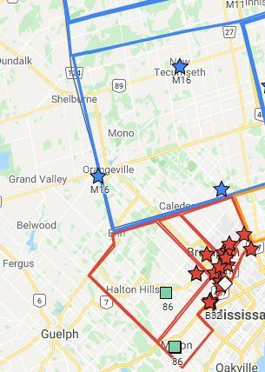
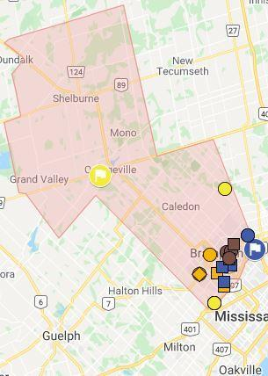
Current & Proposed Alignment for District 86 Division B - District 123 2021-2022

Div B Representative: |  | Leslie Benfield, DTM, Division B Director |  |  | Brampton, Caledon (Bolton) & Dufferin (Orangeville)
 |  | Email Leslie: divisionbdirector@toastmasters86.org

Boundary: |  |  | Clubs In Good Standing: |  | Notes:
North: | Simcoe County / Dufferin |  | 30-Jun-20 | 19 | 3 Halton Hills clubs moved to new D86 as per Reformation
East: | Simcoe County / York Region / City of Toronto & Peel |  | 10-Jun-21 | 21 | Dufferin (Orangeville) & Caledon (Bolton) moved to Division B (proximity and Division size)
South: | Mississauga / Brampton |  | Prospective: | 0 | B33, B34 & B35 merged to two Areas to meet TI requirements for Area size
West: | Grey / Wellington / Halton & Dufferin / Peel |  | Net Transfers: | -2 | Division B retains name as Brampton Club (86B) is 12 years older than New Horizons TC (60B)
 |  |  | Projected: | 19

Current Division B Map, Club List & Details by Area |  |  |  |  | Proposed Division B Map, Club List & Details by Area
Current Alignment |  |  |  |  |  | Proposed Alignment
Area | Club Number | Club Name | Club Status 10-Jun-2021 | Proposed Div Area | Area | Club Number | Club Name |  | Reason for change
B31 | 2347 | Brampton Toastmasters | Active to Sep | B24 | B24 | 2347 | Brampton Toastmasters
B31 | 5961 | Hershaw Toastmasters Club | Active to Sep | B24 | B24 | 5961 | Hershaw Toastmasters Club
B31 | 583417 | Region of Peel Toastmasters | Active to Sep | B24 | B24 | 583417 | Region of Peel Toastmasters
B31 | 7364691 | WPOC Toastmasters | Active to Sep | B24 | B24 | 7364691 | WPOC Toastmasters
 |  |  |  |  | B24 | 7832237 | Peel Bilingual Spanish Toastmasters Club | From B34 | Club Location

B32 | 4778 | Milton Club | Active to Sep | D86 | B21 | 7248 | Orangeville Toastmasters | From M16 | Division Merge
B32 | 1453413 | Chosen Voices Toastmasters | Active to Sep | B21 | B21 | 1453413 | Chosen Voices Toastmasters
B32 | 1638952 | Point of Tale Toastmasters | Active to Sep | B21 | B21 | 1638952 | Point of Tale Toastmasters
B32 | 3372733 | Chez Nous Toastmasters Club | Active to Sep | B21 | B21 | 3372733 | Chez Nous Toastmasters Club
B32 | 7493180 | Escarpment Toastmasters | Active to Sep | D86 | B21 | 847686 | Bolton Banter Toastmasters Club | From M16 | Division Merge

B33 | 5260 | Halton Hills Toastmasters | Active to Sep | D86 | B22 | 1558421 | City of Brampton Toastmasters | From B34 | Area B34 closed
B33 | 1460785 | Brampton Speakeasy Toastmasters | Active to Sep | B22 | B22 | 1460785 | Brampton Speakeasy Toastmasters
B33 | 5886451 | Raising Champions Advanced Toastmasters | Active to Sep | B22 | B22 | 5886451 | Raising Champions Advanced Toastmasters
B33 | 7774023 | Brampton North Toastmasters | Active to Sep | B22 | B22 | 7774023 | Brampton North Toastmasters
 |  |  |  |  | B22 | 3610365 | Sheridan Davis Bruins Toastmasters Club | From B34 | Area B34 closed

B34 | 1558421 | City of Brampton Toastmasters | Active to Sep | B22 |  |  | Area Closed. Merged with Areas B33 & B35
B34 | 2531837 | Brampton Alpha Toastmasters | Active to Sep | B23
B34 | 3610365 | Sheridan Davis Bruins Toastmasters Club | Active to Sep | B22
B34 | 7832237 | Peel Bilingual Spanish Toastmasters Club | Active to Sep | B24

B35 | 8267 | Rogers Park Toastmasters | Active to Sep | B23 | B23 | 8267 | Rogers Park Toastmasters
B35 | 972044 | Speak To Inspire Toastmasters | Active to Sep | B23 | B23 | 972044 | Speak To Inspire Toastmasters
B35 | 6545120 | DHL Toronto Toastmasters | Low | B23 | B23 | 6545120 | DHL Toronto Toastmasters
B35 | 6623298 | Brampton Talks Toastmasters | Active to Sep | B23 | B23 | 6623298 | Brampton Talks Toastmasters
B35 | 7886577 | Brampton Be Your Best Toastmasters | Active to Sep | B23 | B23 | 7886577 | Brampton Be Your Best Toastmasters
 |  |  |  |  | B23 | 2531837 | Brampton Alpha Toastmasters | From B34 | Area B34 closed

Draft #1A: | 7832237 | Peel Bilingual Spanish Toastmasters Club charter paperwork submitted
Draft #4: | 7886577 | Brampton Be Your Best Toastmasters charter paperwork submitted

Legend in the document:
Green: | Prospective Club for this term or next |  |  |  | TBD | 7875950 | The Creative Writers Guild Toastmasters (CWGT) | Prospective | Date Unknown
Blue: | Club is going to another Area / Division
Gold: | Club is coming from another Area / Division
Yellow: | Unpaid club may be suspended as of Apr 1st
Orange: | (Unpaid) club expected to suspend as of Apr 1st
Orange: | Unpaid club may be suspended as of Oct 1st
Red: | Suspended Club
N/A: | No Area assigned due to (possible) suspension
 | Active to Mar (Club in Good Standing until Mar 31, 2021)
 | Active to Sep (Club in Good Standing until Sep 30, 2021)
 | Draft 2 Notes: Provides details on any changes between Draft 1 and 2
 | Prospective Club: Is expected to charter This Term (before Jul 1st); Next Term (after Jun 30th); On Hold (may not proceed); Unknown

Click on Map for Current Division B Map, Club List & Details by Area |  |  |  |  | Click on Map for Proposed Division B Map, Club List & Details by Area

86G
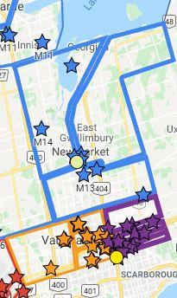
Current & Proposed Alignment for District 86 Division G - District 123 2021-2022

Div G Representative: |  | Sarabjit Sandhu, DTM, Division G Director |  |  | Merged with Division M & A
 |  | Email Sarab: divisiongdirector@toastmasters86.org |  |  | District 86 Division G Closed

Boundary: |  |  | Clubs In Good Standing: |  | Notes: To support Division N & A, clubs have merged with Div M and A
North: | None |  | 30-Jun-20 | 16 | All 13 clubs in Div G (Richmond Hill & Vaughan) join Div M (York Region w/o Markham)
East: | None |  | 10-Jun-21 | 16 | All 4 clubs in Markham / Thornhill join Division A (City of Markham)
South: | None |  | Prospective: | 0 | Division M retains name with oldest club, Barrie TC 30 years older than Richmond Hill TC
West: | None |  | Net Transfers: | -16 | Also solves the problem with two Division Gs (D60 and D86) in the new D123
 |  |  | Projected: | 0

Current Division G Map, Club List & Details by Area
Current Alignment |  |  |  |  |  | Proposed Alignment
Area | Club Number | Club Name | Club Status 10-Jun-2021 | Proposed Div Area | Area | Club Number | Club Name | Reason for change
G21 | 1015141 | Woodbridge Toastmasters | Active to Sep | M33 |  |  | Division Merged with Div A & M
G21 | 6001952 | City of Vaughan | Active to Sep | M33 |  |  | Provides Division A & N sufficient clubs
G21 | 6489367 | Maple Toastmasters | Active to Sep | M33
G21 | 7500192 | The North Toastmasters | Active to Sep | M33

G22 | 1963 | Richmond Hill Toastmasters | Active to Sep | M35 |  |  | Division Merged with Div A & M
G22 | 698843 | Golden Gavel Toastmasters | Active to Sep | M35 |  |  | Provides Division A & N sufficient clubs
G22 | 1037159 | AECOM Toastmasters of Richmond Hill | Low | M35
G22 | 1115199 | Fluid Communicators & Leaders | Active to Sep | M35

G23 | 4398 | Destiny Toastmasters Club | Active to Sep | A41 |  |  | Division Merged with Div A & M
G23 | 8517 | Thornhill Club | Active to Sep | A41 |  |  | Provides Division A & N sufficient clubs
G23 | 873612 | Speakers of the Hill | Active to Sep | M34
G23 | 3638313 | AECOMmunicators | Active to Sep | A41
G23 | 7544266 | CGI Dynamic | Active to Sep | A41

G24 | 1448795 | Advanced Speakers on the Hill | Active to Sep | M34 |  |  | Division Merged with Div A & M
G24 | 2194262 | Inclusive Toastmasters | Active to Sep | M34 |  |  | Provides Division A & N sufficient clubs
G24 | 2785335 | Club Toastmasters FrancoFun | Active to Sep | M34
G24 | 4437661 | Feel Good Toastmasters | Active to Sep | M32

Legend in the document:
Green: | Prospective Club for this term or next
Blue: | Club is going to another Area / Division
Gold: | Club is coming from another Area / Division
Yellow: | Unpaid club may be suspended as of Apr 1st
Orange: | (Unpaid) club expected to suspend as of Apr 1st
Orange: | Unpaid club may be suspended as of Oct 1st
Red: | Suspended Club
N/A: | No Area assigned due to (possible) suspension
 | Active to Mar (Club in Good Standing until Mar 31, 2021)
 | Active to Sep (Club in Good Standing until Sep 30, 2021)
 | Draft 2 Notes: Provides details on any changes between Draft 1 and 2
 | Prospective Club: Is expected to charter This Term (before Jul 1st); Next Term (after Jun 30th); On Hold (may not proceed); Unknown

Click on Map for Current Division G Map, Club List & Details by Area

86M
Current & Proposed Alignment for District 86 Division M - District 123 2021-2022

Div M Representative: |  | Jim Chapman, DL2, Division M Director |  |  | 8 communities in York Region (all except City of Markham)
 |  | Email Jim: divisionmdirector@toastmasters86.org

Boundary: |  |  | Clubs In Good Standing: |  | Notes: Insufficient clubs in Division N; Simcoe County clubs moved to Division N (7 clubs in GS, 1 not)
North: | Simcoe / York Region |  | 30-Jun-20 | 17 | Division M formed on Jul 1, 2008 with clubs south of North Bay from Division N
East: | Durham & Markham / York & Richmond Hill / Vaughan |  | 10-Jun-21 | 17 | 2 clubs (Bolton & Orangeville) moved to Division B (proximity)
South: | City of Toronto (Steeles) / York Region |  | Prospective: | 0 | 13 clubs from Division G moved to Division M & merged
West: | Simcoe & Peel (HWY 50) / York Region |  | Net Transfers: | 4 | Division G formed on Jul 1, 2019 with clubs west of HWY 404 from Division A
 |  |  | Projected: | 21 | Division M retains name with oldest club, Barrie TM 30 years older than Richmond Hill TM

Current Division M Map, Club List & Details by Area |  |  |  |  | Proposed Division M Map, Club List & Details by Area
Current Alignment |  |  |  |  |  | Proposed Alignment
Area | Club Number | Club Name | Club Status 10-Jun-2021 | Proposed Div Area | Area | Club Number | Club Name |  | Reason for change
M11 | 1603 | Barrie Toastmasters Club | Active to Sep | N15 |  |  | Area moved to Division N to meet TI
M11 | 8602 | Barrie's Small Business Club | Active to Sep | N15 |  |  | requirements for Division size
M11 | 3589490 | Innisfil Toastmasters | Active to Sep | N15

M12 | 4537 | Collingwood Toastmasters Club | Active to Sep | N14 |  |  | Area moved to Division N to meet TI
M12 | 7023 | Sunshine Speakers Club | Active to Sep | N14 |  |  | requirements for Division size
M12 | 8859 | Echoes Of The Bay Club | Active to Sep | N14

M13 | 96 | Desjardins Aurora Club | Active to Sep | M32 | M32 | 96 | Desjardins Aurora Club
M13 | 1609 | Towns Of York Toastmasters Club | Active to Sep | M32 | M32 | 1609 | Towns Of York Toastmasters Club
M13 | 1697108 | Hilltop Toastmasters | Active to Sep | M32 | M32 | 1697108 | Hilltop Toastmasters
 |  |  |  |  | M32 | 4437661 | Feel Good Toastmasters | From G24 | Area M32 Size
 |  |  |  |  | M32 | 7824020 | Whitchurch-Stouffville Toastmasters | From M17 | Area M32 Size

M14 | 3498 | Speak for Success York-Simcoe | Active to Sep | M31 | M31 | 3498 | Speak for Success York-Simcoe
M14 | 704523 | Simcoe Shores Club | Active to Sep | M31 | M31 | 704523 | Simcoe Shores Club
M14 | 976150 | Troy Toastmasters Club | Active to Sep | M31 | M31 | 976150 | Troy Toastmasters Club
 |  |  |  |  | M31 | 5591 | The Court Of Blarney | From M17 | Area M31 Size
 |  |  |  |  | M31 | 2144636 | The Newmarket Toastmasters (TNT) | From M17 | Area M31 Size

M16 | 7248 | Orangeville Toastmasters | Low | B21 |  |  | Area Closed
M16 | 589834 | The Talk of Alliston Club | Active to Sep | N15 |  |  | Clubs allocated to other Divisions
M16 | 847686 | Bolton Banter Toastmasters Club | Active to Sep | B21

M17 | 5591 | The Court Of Blarney | Active to Sep | M31 |  |  | Area Closed, merged with M31
M17 | 2144636 | The Newmarket Toastmasters (TNT) | Active to Sep | M31
M17 | 3799670 | Edge of the Wedge | Suspended | N/A
M17 | 7824020 | Whitchurch-Stouffville Toastmasters | Active to Sep | M32

Legend in the document: |  |  |  |  | M33 | 1015141 | Woodbridge Toastmasters | From G22 | Division Merge
Green: | Prospective Club for this term or next |  |  |  | M33 | 6001952 | City of Vaughan | From G22 | Division Merge
Blue: | Club is going to another Area / Division |  |  |  | M33 | 6489367 | Maple Toastmasters | From G22 | Division Merge
Gold: | Club is coming from another Area / Division |  |  |  | M33 | 7500192 | The North Toastmasters | From G22 | Division Merge
Yellow: | Unpaid club may be suspended as of Apr 1st
Orange: | (Unpaid) club expected to suspend as of Apr 1st |  |  |  | M34 | 1448795 | Advanced Speakers on the Hill | From G24 | Division Merge
Orange: | Unpaid club may be suspended as of Oct 1st |  |  |  | M34 | 2194262 | Inclusive Toastmasters | From G24 | Division Merge
Red: | Suspended Club |  |  |  | M34 | 2785335 | Club Toastmasters FrancoFun | From G24 | Division Merge
N/A: | No Area assigned due to (possible) suspension |  |  |  | M34 | 873612 | Speakers of the Hill | From G23 | Area G23 closed
 | Active to Mar (Club in Good Standing until Mar 31, 2021)
 | Active to Sep (Club in Good Standing until Sep 30, 2021) |  |  |  | M35 | 1963 | Richmond Hill Toastmasters | From G22 | Division Merge
 | Draft 2 Notes: Provides details on any changes between Draft 1 and 2 |  |  |  | M35 | 698843 | Golden Gavel Toastmasters | From G22 | Division Merge
 | Prospective Club: Is expected to charter This Term (before Jul 1st); Next Term |  |  |  | M35 | 1037159 | AECOM Toastmasters of Richmond Hill | From G22 | Division Merge
 | (after Jun 30th); On Hold (may not proceed); Unknown |  |  |  | M35 | 1115199 | Fluid Communicators & Leaders | From G22 | Division Merge

Draft #1A Notes: |  |  |  |  | M31 | 3498 | Speak for Success York-Simcoe: Meeting location from Simcoe to York (TBC)
 |  |  |  |  | To balance the size of Div A & M, Whitchurch-Stouffville (Prospect) may be aligned to A42 instead of M32
Draft #3 Notes: |  | Whitchurch-Stouffville Toastmasters submitted charter paperwork Feb 26 |  |  | With the increase in 1 Area in Div N, M11 Clubs will go to N15; M12 Clubs will go to N14

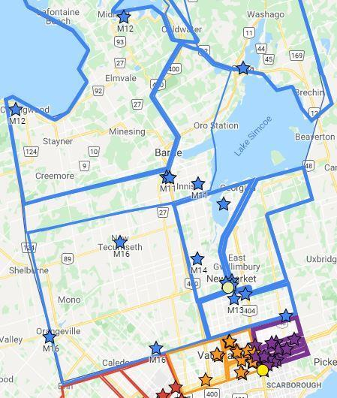
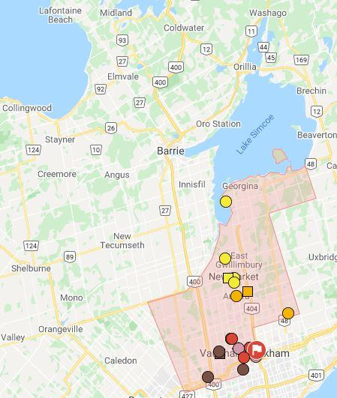
Click on Map for Current Division M Map, Club List & Details by Area |  |  |  |  | Click on Map for Proposed Division M Map, Club List & Details by Area

86N
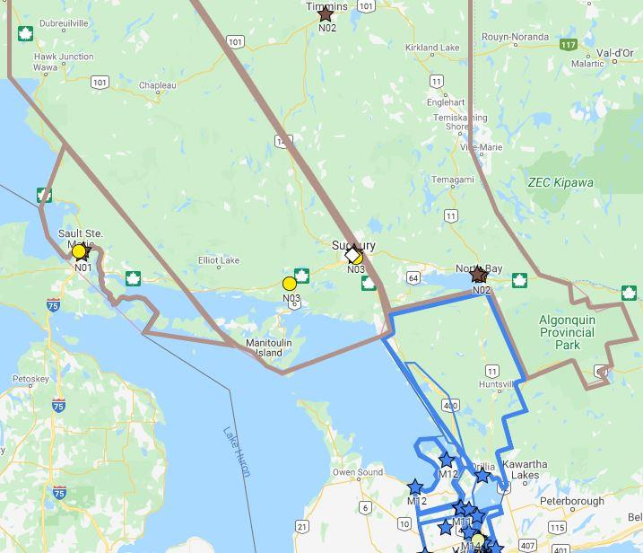
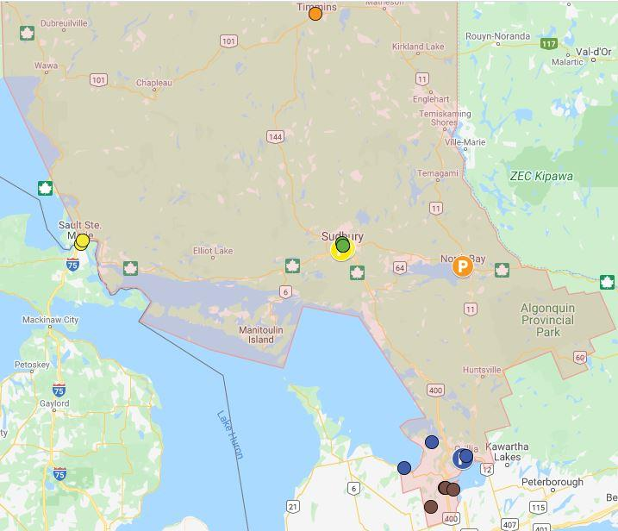
Current & Proposed Alignment for District 86 Division N - District 123 2021-2022

Div N Representative: |  | Elise Leblanc, IP3, Division N Director |  |  | Timmins, Sault Ste. Marie, Greater Sudbury, North Bay & Simcoe County
 |  | Email Elise: divisionndirector@toastmasters86.org

Boundary: |  |  | Clubs In Good Standing: |  | Notes: 11 clubs in Good Standing (GS), 2 with low membership and 2 expected to suspend
North: | Cochrane (Timmins) |  | 30-Jun-20 | 12 | Not enough clubs in Good Standing to meet Toastmasters requirements
East: | Nipissing (North Bay), Timiskaming |  | 10-Jun-21 | 11 | Expand the boundaries to include all 7 GS clubs from Simcoe County (Div M)
South: | Simcoe |  | Prospective: | 1 | Division N boundaries prior to Jul 1, 2008 ran from Aurora in York Region to Timmins
West: | Algoma, Manitoulin, Sudbury, Parry Sound, Muskoka |  | Net Transfers: | 7 | Northern Areas aligned by club strength to form balanced areas but higher distance
 | & Simcoe |  | Projected: | 19 | Draft #4 proposes alignment by club strength and shorter distances due to North Bay and Area Club

Current Division N Map, Club List & Details by Area |  |  |  |  | Proposed Division N Map, Club List & Details by Area
Current Alignment |  |  |  |  |  | Proposed Alignment
Area | Club Number | Club Name | Club Status 10-Jun-2021 | Proposed Div Area | Area | Club Number | Club Name |  | Reason for change
N01 | 2648 | Algoma Toastmasters Club | Active to Sep | N11 | N11 | 2648 | Algoma Toastmasters Club
N01 | 1642114 | Sault College Communicators | Active to Sep | N11 | N11 | 1642114 | Sault College Communicators
N01 | 6626614 | Algoma SteelMakers | Suspended | N/A | N11 | 2152194 | Sudbury Noon Hour Toastmasters Club | From N4 | Area N4 merged
 |  |  |  |  | N11 | 5828473 | True North Toastmasters | 2 x Low | May suspend
 |  |  |  |  | N11 | 7851394 | Seasoned Speakers Advanced Club | Prospective | Date Unknown

N02 | 1373 | Porcupine Toastmasters Club | Active to Sep | N12 | N12 | 1373 | Porcupine Toastmasters Club
N02 | 585369 | North Bay and Area Club | Active to Sep | N12 | N12 | 585369 | North Bay and Area Club
N02 | 1138042 | Cementation Toastmasters | Active to Sep | N12 | N12 | 1138042 | Cementation Toastmasters
N02 | 2580613 | OPS North Bay | Active to Sep | N12 | N12 | 2580613 | OPS North Bay
 |  |  |  |  | N12 | 7867774 | Metricaid | Prospective | May not proceed

N03 | 2816 | Sudbury Toastmasters Club | Active to Sep | N13 | N13 | 2816 | Sudbury Toastmasters Club
N03 | 3869 | Greater Sudbury Speakers | Active to Sep | N13 | N13 | 3869 | Greater Sudbury Speakers
N03 | 602922 | Lacloche Mountain Toastmasters Club | Suspended | N/A | N13 | 643540 | Voix du Nord | From N4 | Area N4 merged
N03 | 5828473 | True North Toastmasters | 2 x Low | N11 | N13 | 3179448 | Mots du Midi | From N4 | Area N4 merged

N04 | 643540 | Voix du Nord | Active to Sep | N13 |  |  | Area N04 Closed, merged with
N04 | 2152194 | Sudbury Noon Hour Toastmasters Club | Active to Sep | N11 |  |  | N11 & N13 due to Area size and strength
N04 | 3179448 | Mots du Midi | Active to Sep | N13

 |  |  |  |  | N14 |  | Lakehead University - Orillia Campus | Prospective | Date Unknown
 |  |  |  |  | N14 | 4537 | Collingwood Toastmasters Club | From M12 | Grow Division N
Legend in the document: |  |  |  |  | N14 | 7023 | Sunshine Speakers Club | From M12 | Grow Division N
Green: | Prospective Club for this term or next |  |  |  | N14 | 8859 | Echoes Of The Bay Club | From M12 | Grow Division N
Blue: | Club is going to another Area / Division
Gold: | Club is coming from another Area / Division |  |  |  | N15 | 1603 | Barrie Toastmasters Club | From M11 | Grow Division N
Yellow: | Unpaid club may be suspended as of Apr 1st |  |  |  | N15 | 8602 | Barrie's Small Business Club | From M11 | Grow Division N
Orange: | (Unpaid) club expected to suspend as of Apr 1st |  |  |  | N15 | 3589490 | Innisfil Toastmasters | From M11 | Grow Division N
Orange: | Unpaid club may be suspended as of Oct 1st |  |  |  | N15 | 589834 | The Talk of Alliston Club | From M16 | Grow Division N
Red: | Suspended Club |  |  |  |  |  | 500 University Ave, Orillia, ON L3V 0B9
N/A: | No Area assigned due to (possible) suspension |  |  |  |  | 7665296 | Literacy Alliance of West Nipissing - Sturgeon Falls | Prospective | Will not charter
 | Active to Mar (Club in Good Standing until Mar 31, 2021) |  |  |  |  | 7686244 | Cambrian College Sudbury | Prospective | Will not charter
 | Active to Sep (Club in Good Standing until Sep 30, 2021)
 | Draft 2 Notes: Provides details on any changes between Draft 1 and 2
 | Prospective Club: Is expected to charter This Term (before Jul 1st); Next Term (after Jun 30th); On Hold (may not proceed); Unknown

Draft #1A Notes: |  |  |  |  | N15 | 1603 | Barrie Toastmasters Club moved due to prospective club and better fit in N14
 |  |  |  |  | M31 | 3498 | Speak for Success York-Simcoe: Meeting location from Simcoe to York (TBC)
Draft #2 Notes: |  |  |  |  | If Areas N11 & N12 reach 11 clubs with a viable prospect, a fifth Area will be formed to balance Div N
 |  |  |  |  | N11 | Porcupine, Sudbury, Voix du Nord & Mots du Midi
 |  |  |  |  | N12 | Algoma, North Bay and Area Club, Sault College Communicators & OPS North Bay
 |  |  |  |  | N13 | Greater Sudbury, Cementation, Sudbury Noon Hour & Seasoned Speakers Advanced (Prospect)
 |  |  |  |  | N14 | Collingwood, Sunshine Speakers, Echoes of The Bay & Lakehead University (Prospective)
 |  |  |  |  | N15 | Barrie, Barrie's Small Business, The Talk of Alliston & Innisfil
Draft #3 Notes: |  |  |  |  | N11 | 7867774 | Metricaid | Prospective | Date Unknown
 |  |  |  |  | With 2 viable prospects and TI rules extending suspension rules, a fifth area is being confirmed
Draft #4 Notes: |  |  |  |  | Revisit Alignment for N11, N12 & N13 for club strength and geography as North Bay and Area in Good Standing and True North did not suspend

Click on Map for Current Division N Map, Club List & Details by Area |  |  |  |  | Click on Map for Proposed Division N Map, Club List & Details by Area

